Hoja1
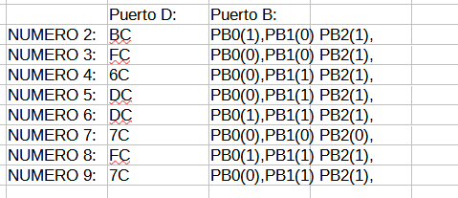
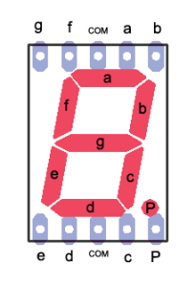

a = PD4
b = PD5
c = PD6
d = PD7
e = PB0
f = PB1
g = PB2

P = PB3

BOT1 = PD2
BOT2 = PD3

